Useful Sources
Hi, iSpring team here. If you found this checklist useful for your work, check out our free professional resources. We publish new articles every week and host webinars with L&D experts. Scan the QR codes to find content on all aspects of eLearning.

 | Blog → | 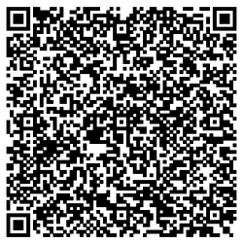 | Webinars → | 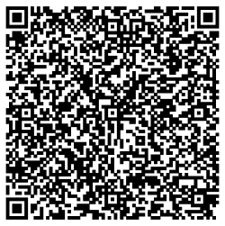
 | Explore the exciting world of learning together with our helpful articles and how-tos. |  | Get eLearning tips and tricks from top- notch industry experts.

 | Guides → | 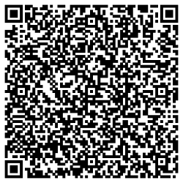 | YouTube → | 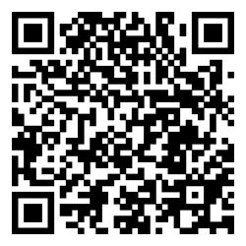
 | Get step-by-step directions on how to create and launch eLearning. |  | Enjoy weekly eLearning videos and don't forget to subscribe.

